Weekly Progress Report
MODON - Weekly Progress Report - Construction Projects |  |  |  |  |  |  |  |  |  |  |  |  |  |  |  |  |  |  |  |  |  |  |  |  |  |  |  |  |  |  | Data Date | 20-Oct-26
Contract General Information |  |  |  |  |  | Key Dates |  |  |  |  |  | Cost Summary (SR) |  |  |  |  |  |  |  | Performance Summary |  |  |  |  |  |  |  |  | Project Scope
Project Name | Development of the Technology City in Dammam Project |  |  |  |  | Contract Award | 20-Nov-25 | Contract Award(Hijri) | 20/11/2025 | Revised Completion | 22-Feb-27 | Original Contract Value |  | 67,768,370 |  | O&M Value |  | 0 |  | Rec Plan Value | 35.23% | Plan Value | 58.57% | Rec Phys. Plan Value | 44.66% | Phys. Plan Value | 68.43% | Quality Score | 90% | Collector Roads, Local Roads, Potable Water, Seweage, Storm Drainage, Irrigation, Medium Voltage, Street Lighting,Telecome, Seweage Pump Station and Storm Drainage Ponds for Development of the Technology City in Dammam Project
Project ID | DAMT-01-002 |  | Stage | Construction |  | Contract Sign | 11-Dec-25 | Contract Sign(Hijri) | 11/12/2025 | Committed Completion | 22-Feb-27 | Revised Contract Value |  |  |  | Revised O&M Value |  | 0 |  | Rec Earn Value | 24.94% | Earn Value | 24.94% | Rec Phys. Earn Value | 28.45% | Phys. Earn Value | 28.45% |  | ¢¢¢¢¢ ¢¢¢££
Contractor | ANSAB CONTRACING |  | Status | Active |  | Site Handover | 23-Dec-25 | Site Handover(Hijri) | 23/12/2025 | Forecast Completion | 5-Jun-27 | Estimate At Completion Value |  | 67,768,370 |  | Submitted Invoices (Gross Value) |  | 7,617,510 |  | Variance | (10.29%) | Variance | (33.63%) | Variance | (16.21%) | Variance | (39.98%) | Safety Score | 82%
Consultant | EGIS |  | Modon PM | Engr. Afat Elanzey |  | Original Completion | 22-Feb-27 | Original Completion (Hijri) | 22/02/2027 | Variance | (103) | Potential Changes |  | 0 |  | Total Deduction |  | 0 |  | SPI | 0.71 | SPI | 0.43 | SPI | 0.64 | SPI | 0.42 |  | ¢¢¢¢¢ ¢¢¢££

Progress Overview
Earned Value Progress (SAR) |  |  |  |  |  |  |  |  |  |  |  |  |  | Physical Progress (Effort) |  |  |  |  |  |  |  |  |  |  |  | Earned Value Progress (%)
WBS |  | BOQ Value (SAR) | % Wt. | Weekly (SAR) |  | To Date (SAR) |  |  |  |  |  |  |  | Budgeted | % Wt. | Weekly Physical Progress |  |  |  | To Date Physical Progress
 |  |  |  | Planned | Earned | Original Plan | Revised Planned | Earned | Original Plan % | Revised Planned % | Earned % | Variance | SPI | (Manhours) |  | Planned | Earned | Plan % | Earned % | Planned | Revised Planned | Earned | Plan % | Earned % | Earned % | Variance | SPI
Mobilization |  | - | 0.0% | - | - | - | - | - | 0.0% | 0.0% | 0.0% | 0.0% |  | - | 0.0% | - | - | 0.0% | 0.0% | - | - | - | 0.0% | 0.0% | 0.0% | 0.0%
ENGINEERING |  |  | 0.0% | - | - | - | - | - | 0.0% | 0.0% | 0.0% | 0.0% |  | 570 | 0.0% | - | - | 0.0% | 0.0% | 390 | 570 | 560 | 68.4% | 100.0% | 98.2% | 29.8% | 1.44
PROCUREMENT |  |  | 0.0% | #REF! | - | - | - | - | 0.0% | 0.0% | 0.0% | 0.0% |  | 3,798 | 0.0% | - | - | 0.0% | 0.0% | 2,599 | 3,155 | 1,999 | 68.4% | 83.1% | 52.6% | -15.8% | 0.77
CONSTRUCTION |  | 67,768,370 | 100.0% | 1,519,902 | 2,290,219 | 39,691,934 | 23,872,438 | 16,900,168 | 58.6% | 35.2% | 24.9% | -33.6% | 0.43 | 12,723 | 0.0% | - | - | 0.0% | 0.0% | 8,706 | 4,755 | 2,843 | 68.4% | 37.4% | 22.3% | -46.1% | 0.33
Sewage Network |  | 737,052 | 1.1% | 31,053 | - | 652,845 | 686,253 | - | 88.6% | 93.1% | 0.0% | -88.6% | 0.00 | 516 | 0.0% | 35 | - | 6.8% | 0.0% | 353 | 425 | - | 68.4% | 82.4% | 0.0% | -68.4% | 0.00
Storm Drainage Network |  | 6,229,998 | 9.2% | 214,380 | 10,911 | 5,260,311 | 4,743,998 | 510,950 | 84.4% | 76.1% | 8.2% | -76.2% | 0.10 | 1,220 | 0.0% | 66 | 95 | 5.4% | 7.8% | 835 | 696 | 280 | 68.4% | 57.0% | 23.0% | -45.5% | 0.34
Potable Water Network |  | 1,654,610 | 2.4% | 184,882 | - | 1,231,807 | 529,735 | - | 74.4% | 32.0% | 0.0% | -74.4% | 0.00 | 587 | 0.0% | 217 | - | 37.0% | 0.0% | 402 | 236 | - | 68.4% | 40.2% | 0.0% | -68.4% | 0.00
Irrigation Network |  | 780,290 | 1.2% | - | - | 275,605 | - | - | 35.3% | 0.0% | 0.0% | -35.3% | 0.00 | 430 | 0.0% | - | - | 0.0% | 0.0% | 294 | - | - | 68.4% | 0.0% | 0.0% | -68.4% | 0.00
Treated Sewage Effluent |  | 560,956 | 0.8% | - | - | 240,840 | - | - | 42.9% | 0.0% | 0.0% | -42.9% | 0.00 | 230 | 0.0% | - | - | 0.0% | 0.0% | 157 | - | - | 68.4% | 0.0% | 0.0% | -68.4% | 0.00
Medium Voltage Network |  | 706,467 | 1.0% | - | - | 228,186 | - | - | 32.3% | 0.0% | 0.0% | -32.3% | 0.00 | 117 | 0.0% | - | - | 0.0% | 0.0% | 80 | - | - | 68.4% | 0.0% | 0.0% | -68.4% | 0.00
Telecom Network |  | 4,857,929 | 7.2% | - | - | 1,033,735 | - | - | 21.3% | 0.0% | 0.0% | -21.3% | 0.00 | 342 | 0.0% | - | - | 0.0% | 0.0% | 234 | - | - | 68.4% | 0.0% | 0.0% | -68.4% | 0.00
Street Lighting Network |  | 968,363 | 1.4% | - | - | 298,900 | - | - | 30.9% | 0.0% | 0.0% | -30.9% | 0.00 | 409 | 0.0% | - | - | 0.0% | 0.0% | 280 | - | - | 68.4% | 0.0% | 0.0% | -68.4% | 0.00
Roads Network |  | 12,500,558 | 18.4% | 250,000 | 0 | 5,589,642 | 5,376,162 | 4,734,453 | 44.7% | 43.0% | 37.9% | -6.8% | 0.85 | 913 | 0.0% | 52 | 55 | 5.7% | 6.0% | 625 | 609 | 548 | 68.4% | 66.7% | 60.0% | -8.4% | 0.88
GAURD ROOM AND FENCE |  | 24,994,087 | 36.9% | 674,021 | 2,279,307 | 16,145,742 | 11,515,563 | 9,988,526 | 64.6% | 46.1% | 40.0% | -24.6% | 0.62 | 5,739 | 0.0% | 140 | 167 | 2.4% | 2.9% | 3,927 | 2,460 | 1,492 | 68.4% | 42.9% | 26.0% | -42.4% | 0.38
UTILITY BUILDING |  | 13,778,060 | 20.3% | 165,567 | 0 | 8,734,321 | 1,020,727 | 1,666,239 | 63.4% | 7.4% | 12.1% | -51.3% | 0.19 | 2,220 | 0.0% | 43 | 65 | 1.9% | 2.9% | 1,519 | 329 | 523 | 68.4% | 14.8% | 23.6% | -44.9% | 0.34
0 |  |  |  | - | - | - | - | - | 0.0% | 0.0% | 0.0% | 0.0% |  |  | 0.0% | - | - | 0.0% | 0.0% |  | - | - | 0.0% | 0.0% | 0.0% | 0.0%
 |  |  |  | - | - | - | - | - | 0.0% | 0.0% | 0.0% | 0.0% |  |  | 0.0% | - | - | 0.0% | 0.0% |  | - | - | 0.0% | 0.0% | 0.0% | 0.0%
 |  |  |  | - | - | - | - | - | 0.0% | 0.0% | 0.0% | 0.0% |  |  | 0.0% | - | - | 0.0% | 0.0% |  | - | - | 0.0% | 0.0% | 0.0% | 0.0%
 |  |  |  | - | - | - | - | - | 0.0% | 0.0% | 0.0% | 0.0% |  |  | 0.0% | - | - | 0.0% | 0.0% |  | - | - | 0.0% | 0.0% | 0.0% | 0.0%
 |  |  |  | - | - | - | - | - | 0.0% | 0.0% | 0.0% | 0.0% |  |  | 0.0% | - | - | 0.0% | 0.0% |  | - | - | 0.0% | 0.0% | 0.0% | 0.0%
 |  |  |  | - | - | - | - | - | 0.0% | 0.0% | 0.0% | 0.0% |  |  | 0.0% | - | - | 0.0% | 0.0% |  | - | - | 0.0% | 0.0% | 0.0% | 0.0%
 |  |  |  | - | - | - | - | - | 0.0% | 0.0% | 0.0% | 0.0% |  |  | 0.0% | - | - | 0.0% | 0.0% |  | - | - | 0.0% | 0.0% | 0.0% | 0.0%
 |  |  |  | - | - | - | - | - | 0.0% | 0.0% | 0.0% | 0.0% |  |  | 0.0% | - | - | 0.0% | 0.0% |  | - | - | 0.0% | 0.0% | 0.0% | 0.0%
 |  |  |  | - | - | - | - | - | 0.0% | 0.0% | 0.0% | 0.0% |  |  | 0.0% | - | - | 0.0% | 0.0% |  | - | - | 0.0% | 0.0% | 0.0% | 0.0%
Testing & Commissioning |  | - | 0.0% | - | - | - | - | - | 0.0% | 0.0% | 0.0% | 0.0% |  | 1,899 | 0.0% |  | - | 0.0% | 0.0% | 1,299 | - | - | 68.4% | 0.0% | 0.0% | -68.4% | 0.00
 | Total | 67,768,370 | 100.0% | #REF! | 2,290,219 | 39,691,934 | 23,872,438 | 16,900,168 | 58.57% | 35.23% | 24.94% | -33.63% | 0.71 | 18,990 | 0.0% | 553 | 382 | 2.91% | 2.01% | 12,995 | 8,480 | 5,402 | 68.43% | 44.66% | 28.45% | -39.98% | 0.42
Earned Value - Cost
 | Baseline Plan | Forecast | Earned Value | Revised / Recovery Plan
Jan-26 | 1.45% |  | 1.69% | 1.49%
Feb-26 | 2.10% |  | 2.31% | 2.39%
Mar-26 | 3.51% |  | 2.10% | 2.75%
Apr-26 | 12.82% |  | 3.85% | 3.40%
May-26 | 20.13% |  | 4.78% | 4.45%
Jun-26 | 27.54% |  | 5.12% | 6.52%
Jul-26 | 37.47% |  | 5.24% | 14.56%
Aug-26 | 46.99% |  | 9.46% | 22.36%
Sep-26 | 54.48% | 24.94% | 24.94% | 37.25%
Oct-26 | 65.37% | 44.24% |  | 51.47%
Nov-26 | 74.38% | 59.49% |  | 64.19%
Dec-26 | 86.73% | 75.82% |  | 77.99%
Jan-27 | 92.83% | 88.98% | 0.00% | 91.57%
Feb-27 | 100.00% | 100.00% | 0.00% | 100.00%
Physical Progress - Effort
 | Baseline Plan | Revised / Recovery Plan | Forecast | Earned Effort %
Jan-26 | 0.0% | 0.0% |  | 0.0%
Feb-26 | 0.6% | 0.3% |  | 0.9%
Mar-26 | 2.1% | 1.6% |  | 1.8%
Apr-26 | 6.5% | 2.3% |  | 1.9%
May-26 | 10.9% | 3.1% |  | 3.1%
Jun-26 | 17.6% | 3.7% |  | 4.2%
Jul-26 | 29.7% | 7.5% |  | 5.7%
Aug-26 | 43.2% | 8.7% |  | 7.3%
Sep-26 | 56.9% | 22.1% | 28.45% | 28.4%
Oct-26 | 73.8% | 41.0% | 48.91%
Nov-26 | 85.4% | 62.5% | 68.78%
Dec-26 | 97.8% | 85.8% | 85.68%
Jan-27 | 99.3% | 98.1% | 95.96%
Feb-27 | 100.0% | 100.0% | 100.00%
 |  |  |  |  |  |  |  |  |  |  |  |  |  |  |  |  |  |  |  |  |  |  |  |  |  | Construction Milestones
 |  |  |  |  |  |  |  |  |  |  |  |  |  |  |  |  |  |  |  |  |  |  |  |  |  | Item No. | Milestones |  | Original (Baseline) | Latest Plan | Forecast | Status | Days Change
 |  |  |  |  |  |  |  |  |  |  |  |  |  |  |  |  |  |  |  |  |  |  |  |  |  | 1 | Project Commencement Date ( Site Handover ) |  | 23-Dec-25 | 23-Dec-25 | 23-Dec-25 | A | 0
 |  |  |  |  |  |  |  |  |  |  |  |  |  |  |  |  |  |  |  |  |  |  |  |  |  | 2 | Completion of Execution Plan and Baseline Schedule |  | 17-Mar-26 | 17-Mar-26 | 17-Mar-26 | F | 0
 |  |  |  |  |  |  |  |  |  |  |  |  |  |  |  |  |  |  |  |  |  |  |  |  |  | 3 | Completion of Submitting and Approval of Shopdrwing and Material |  | 13-Apr-26 | 13-Apr-26 | 13-Apr-26 | F | 0
 |  |  |  |  |  |  |  |  |  |  |  |  |  |  |  |  |  |  |  |  |  |  |  |  |  | 4 | Completion of Mobilization and Site Preperation Works |  | 19-May-26 | 19-May-26 | 19-May-26 | F | 0
 |  |  |  |  |  |  |  |  |  |  |  |  |  |  |  |  |  |  |  |  |  |  |  |  |  | 5 | Completion of Construction Works for Storm Drainage Network |  | 6-Jan-27 | 6-Jan-27 | 27-Apr-27 | F | (111)
 |  |  |  |  |  |  |  |  |  |  |  |  |  |  |  |  |  |  |  |  |  |  |  |  |  | 6 | Completion of Construction Works for Sewage Network |  | 6-Jan-27 | 6-Jan-27 | 1-May-27 | F | (115)
 |  |  |  |  |  |  |  |  |  |  |  |  |  |  |  |  |  |  |  |  |  |  |  |  |  | 7 | Completion of Construction Works for Medium Voltage Network |  | 7-Mar-27 | 7-Mar-27 | 23-May-27 | F | (77)
 |  |  |  |  |  |  |  |  |  |  |  |  |  |  |  |  |  |  |  |  |  |  |  |  |  | 8 | Completion of Construction Works for Street Lighting Network |  | 18-Mar-27 | 18-Mar-27 | 26-May-27 | F | (69)
 |  |  |  |  |  |  |  |  |  |  |  |  |  |  |  |  |  |  |  |  |  |  |  |  |  | 9 | Completion of Construction Works for Telecom Network |  | 18-Mar-27 | 18-Mar-27 | 4-May-27 | F | (47)
 |  |  |  |  |  |  |  |  |  |  |  |  |  |  |  |  |  |  |  |  |  |  |  |  |  | 10 | Completion of Construction Works for Road Works |  | 18-Mar-27 | 18-Mar-27 | 2-Jun-27 | F | (76)
 |  |  |  |  |  |  |  |  |  |  |  |  |  |  |  |  |  |  |  |  |  |  |  |  |  | 11 | Completion of Construction Works for Potable Water Network |  | 22-Mar-27 | 22-Mar-27 | 20-May-27 | F | (59)
 |  |  |  |  |  |  |  |  |  |  |  |  |  |  |  |  |  |  |  |  |  |  |  |  |  | 12 | Completion of Construction Works for Irrigation Network |  | 22-Mar-27 | 22-Mar-27 | 13-May-27 | F | (52)
 |  |  |  |  |  |  |  |  |  |  |  |  |  |  |  |  |  |  |  |  |  |  |  |  |  | 13 | Completion of Construction Works for Treated Sewage Effluent Network |  | 22-Mar-27 | 22-Mar-27 | 5-Jun-27 | F | (75)
Project Status Score
 | Max | Score
SPI (Physical Effort) | 100% | 42%
SPI (Cost) | 100% | 71%
On Schedule -Active | 100% | 885%
Manpower Availability | 100% | 209%
Major Equipment Availability | 100% | 127%
Billing % Compared to Planned | 100% | 0%
Safety Score | 100% | 90%
Quality Score | 100% | 90%
Actual Invoices
 | Monthly Gross Value
 | 688526.52
 | 2908089.38
 | 4020894.00

2,539,170

Performance overview
 |  |  |  |  |  |  |  |  |  |  | Quality |  |  |  |  |  |  |  |  |  |  | Safety
Shop Drawings |  |  |  |  |  |  |  |  |  |  | Quality Reports |  |  |  |  |  |  |  |  |  |  | Safety Statistics |  |  |  |  |  |  |  | Proactive Vs Reactive Actions Taken
Item Per WBS |  | Total | Total Submitted Drawings |  |  |  |  | Remaining | Pending | Total Submittals | Quality Reports |  | Issued | Closed | Pending | Avg. Closing (Days) | Pending |  |  |  |  | Category | Item |  | This Week |  | This Month | Year to Date | Cumulative
 |  |  | A | B | C | D | Processed |  |  |  |  |  |  |  |  |  | 0-10 Days | 11-20 Days | 21-30 Days | 31-60 Days | > 60 Days
Civil |  | 2 | 0 | 0 | 1 | 1 | 0 | 0 | 0 | 2 |  |  |  |  |  |  |  |  |  |  |  | General | Total Hours Worked |  | 14,280 |  | 42,840 | 189,284 | 189,284 |  |  | Proactive | 0
Structural |  | 11 | 0 | 11 | 0 | 0 | 0 | 0 | 0 | 11 | Non Conformance (NCR) |  | 16 | 15 | 1 | 5 | 3 | 0 | 0 | 0 | 0 |  | Safe Hours Worked |  | 14,280 |  | 42,840 | 189,284 | 189,284 |  |  | Reactive | 1
Architectural |  | 7 | 0 | 7 | 0 | 0 | 0 | 0 | 0 | 7 | Site Instruction (SIR) |  | 0 | 0 | 0 |  | 0 | 0 | 0 | 0 | 0 | Reactive | LTI |  | 0 |  | 0 | 0 | 0
Mechanical |  | 22 | 0 | 22 | 0 | 0 | 0 | 0 | 0 | 22 | Material Inspection (MIR) |  | 9 | 7 | 2 | 2 | 2 | 0 | 0 | 0 | 0 |  | MTC (Healed w/o Disability) |  | 0 |  | 0 | 0 | 0
Electrical |  | 11 | 0 | 11 | 0 | 0 | 0 | 0 | 0 | 11 | Field Inspection (FIR) |  | 334 | 293 | 41 | 122 | 2 | 0 | 0 | 0 | 0 |  | MTC (Healed w/ Disability) |  | 0 |  | 0 | 0 | 0
TOTAL |  | 53 | 0 | 51 | 1 | 1 | 0 | 0 | 0 | 53 | Key Submittals Approval Status |  |  |  |  |  |  |  |  |  |  |  | Near Miss |  | 0 |  | 0 | 0 | 0
Material Approval |  |  |  |  |  |  |  |  |  |  | 1 Quality Plan Approval |  |  | 12-Jan-26 |  | 6 Baseline Approval |  |  |  | 15-Jan-26 |  |  | First Aid Cases |  | 0 |  | 0 | 0 | 0 | Total Hours Worked Vs Safe Hours Worked
Item Per WBS |  | Total | Total Submitted Material |  |  |  |  | Remaining to approve | Pending | Total Submittals | 2 Quality Plan Last Up |  |  | 19-Jan-26 |  | 7 No of Approved Version of Schedule |  |  |  | 1 |  |  | Fatality |  | 0 |  | 0 | 0 | 0
 |  |  | A | B | C | D | Processed |  |  |  | 3 Safety Plan Approval |  |  | 15-Jan-26 |  | 8 Last Approved Schedule |  |  |  |  |  |  | Fire Incident Cases |  | 0 |  | 0 | 0 | 0
Civil |  | 11 | 0 | 8 | 2 | 0 | 2 | 1 | 1 | 11 | 4 Safety Plan Last Up |  |  | 15-Jan-26 |  | 9 BOQ Approval Date |  |  |  | 15-Jan-26 |  |  | Vehicle Incident |  | 0 |  | 0 | 0 | 0
Structural |  | 0 | 0 | 0 | 0 | 0 | 0 | 0 | 0 | 0 | 5 Construction Plan Approval |  |  | 15-Jan-26 |  | 10 No of Approved Version of BOQ |  |  |  | 0 |  |  | Property Damages |  | 0 |  | 1 | 1 | 1
Architectural |  | 1 | 0 | 1 | 0 | 0 | 0 | 0 | 0 | 1 | Invoices Summary |  |  |  |  |  |  |  |  |  |  | Proactive | Induction Training |  | 0 |  | 0 | 16:108 | 16:108
Mechanical |  | 27 | 0 | 19 | 6 | 2 | 2 | 2 | 2 | 27 | Total Submitted Invoices |  | 2 | Submitted Invoices (SAR) |  |  | 7,617,510 |  | Contract Value (SR) | 67,768,370 |  |  | No.of Internal Training |  | 1:20 |  | 3:60 | 72:818 | 72:818
Electrical |  | 21 | 0 | 15 | 3 | 0 | 3 | 3 | 3 | 21 | PM Approved Invoices |  | 2 | PM Approved Invoices (SAR) |  |  | 7,617,510 |  | Planned Value (SR) | 39,691,934 |  |  | No.of Internal Audit |  | 0 |  | 0 | 0 | 0
TOTAL |  | 60 | 0 | 43 | 11 | 2 | 7 | 6 | 6 | 60 | No of PaidInvoices |  | 0 | PaidInvoices (SAR) |  |  | 0 |  | Earned Value (SR) | 16,900,168 |  |  | No. of Toolbox Talks |  | 5:125 |  | 15:375 | 159:2304 | 159:2304
Procurement Summary |  |  |  |  |  |  |  |  |  |  | No of Pending Invoices |  | 2 | Last Submitted Period |  |  | 5-Oct-26 |  | Submitted(SAR) | 7,617,510 |  |  | Safety Awards/Incentives |  | 0 |  | 0 | 0 | 0
Item Per WBS |  | Total Materials | Total Number of P.O. | Actual P.O. To Date | Remaining P.O | Material on Site | Remaining Materials | Material Delivery Completion (Date) |  |  | Advance Payment % |  | 10% | Advance Payment (SAR) |  |  | 6,776,837 |  | PM Approved (SAR) | 7,617,510 |  | Latest Contract Change Order Log
 |  |  |  |  |  |  |  |  |  |  | Retention % |  | 0% | Retention (SAR) |  |  | 0 |  | Total Paid(SAR) | 0
Civil |  | 11 | 9 | 0 | 0 | 0 | 0 | #REF! |  |  | Deduction / Penalties % |  | 0.0% | Deduction / Penalties (SAR) |  |  | 0 |  |  |  |  | CCO No. | Date Added | Description of Change |  |  |  |  | Status | Cost | Sch Impact (Months) | Date Approved | Duration
Structural |  | 0 | 0 | 0 | 0 | 0 | 0 | #REF! |  |  | Resources at Site
Architectural |  | 1 | 1 | 0 | 0 | 0 | 0 | #REF! |  |  | Head Count - Manual |  |  |  | Head Count - Non Manual |  |  |  | Total Head Count
Mechanical |  | 27 | 21 | 0 | 0 | 0 | 0 | #REF! |  |  | Planned | Actual | Next Month Forecast | Saudi Staff | Planned | Actual | Next Month Forecast | Saudi Staff | Total Plan | Total Actual | Variance
Electrical |  | 21 | 13 | 0 | 0 | 0 | 0 | #REF! |  |  | 114 | 238 | 0 | 0 | 9 | 19 | 0 | 0 | 123 | 257 | 134
TOTAL |  | 60 | 44 | 0 | 0 | 0 | 0 |  |  |  | Manpower Breakdown by Trade |  |  |  |  |  |  | Major Equipment
 | Plan - Weakly | Actual - Weakly | Forecast - Weakly
23-Dec-25 | 23 | 23 | 0
30-Dec-25 | 45 | 68 | 0
6-Jan-26 | 52 | 119 | 0
13-Jan-26 | 63 | 183 | 0
20-Jan-26 | 59 | 242 | 0
27-Jan-26 |  | 242 | 0
3-Feb-26 |  | 242 | 0
10-Feb-26 |  | 242 | 0
17-Feb-26 |  | 242 | 0
24-Feb-26 |  | 242 | 0
3-Mar-26 | 3 | 245 | 0
10-Mar-26 | 5 | 250 | 0
17-Mar-26 | 3 | 252 | 0
24-Mar-26 | 7 | 259 | 0
31-Mar-26 | 13 | 272 | 0
7-Apr-26 | 19 | 291 | 0
14-Apr-26 | 19 | 310 | 0
21-Apr-26 | 19 | 329 | 0
28-Apr-26 | 28 | 358 | 0
5-May-26 | 28 | 386 | 0
12-May-26 | 28 | 414 | 0
19-May-26 | 28 | 442 | 0
26-May-26 | 9 | 452 | 0
2-Jun-26 | 28 | 480
9-Jun-26 | 28 | 508
 |  | 508 | 0
 |  | 508 | 0
 | 80 | 588 | 0
 | 159 | 748 | 0
 | 132 | 880 | 0
 | 98 | 977 | 0
Primavera P6 Schedule Status |  |  |  |  |  |  |  |  |  |  | Key Trade | Planned | Actual |  |  |  |  | Type | Planned | Actual | Idle
Project Activities Overview |  |  |  |  |  |  |  |  |  |  | Labor/Helper | 45 | 67 |  |  |  |  | Roller Compactor | 9 | 9 | 0
Schedule Statistics |  |  |  |  | Active Schedule Activities |  |  |  |  |  | Foreman | 8 | 8 |  |  |  |  | JCB | 3 | 0 | 0 | Major Quantity Trackers
Total Act. | Not Started | In Progress | Completed | % | Active | Ahead | On | Behind | Flag |  | Cons. Carpenter | 8 | 6 |  |  |  |  | grader | 0 | 5 | 0 | BOQ N0. | Item Description |  |  |  |  | Total Qty | Measu Unit | Plan to Date | Act to Date | Remaining | Variance
873 | 516 | 47 | 310 | 35.51% | 47 | 41 | 375 | 179 | 237 |  | Block Mason | 2 | 14 |  |  |  |  | Dump Truck | 85 | 85 | 0 | 0 | 'Excavations (including Roads , Plots and Pond) |  |  |  |  | 502,417.00 | m3 | 502,417.00 | 445,885.79 | 56,531.21 | -0.11
Critical Path Activities |  |  | Free Float Management (Total) |  |  |  | Failed Start Activities |  |  |  | Plasterer | 0 | 0 |  |  |  |  | water tank | 0 | 6 | 0 | 0 | Depth Between 0m to 1.50m |  |  |  |  | 95.00 | m | 47.03 | 1.54 | 93.46 | -48%
 |  |  | Greater Than 14 Days |  | Less Than 14 Days |  |  |  |  |  | Plumber | 0 | 21 |  |  |  |  | excavator | 7 | 12 | 0
Last Week | This Week | Diff | Last Week | This Week | Last Week | This Week | Last Week | This Week | Flag |  | Electrician | 0 | 0 |  |  |  |  | Boom Truck | 0 | 14 | 0
491 | 403 | 88 | 65 | 70 | 543 | 492 | 60 | 77 | -17 |  | Total | 114 | 238 |  |  |  |  | Total | 104 | 132 | 0
Testing And Commissioning |  |  |  |  |  |  |  |  |  |  |  |  |  |  |  | Top Issues and Risks
 |  |  |  |  |  |  |  |  |  |  |  |  |  |  |  | Top 5 Issues
Item | Planned Start Date |  | Planned Finish Date |  | Forecast Start Date |  | Forecast Finish Date |  | Actual Start Date |  | Actual Finish Date |  | % Completed | Open Comments | Closed Comments | Issue No | Date Identified | Issue Description |  |  |  | Responsible | Action Taken |  |  | Mitigation |  |  |  |  | Current Status | Expected/Actual Closure | Duration Elapsed
Irrigation Network | 22-Dec-26 |  | 9-Jan-27 |  | 19-Dec-26 |  | 5-Jan-27 |  |  |  |  |  | 0% | 0 | 0
TSE Network | 5-Dec-26 |  | 22-Dec-26 |  | 1-Dec-26 |  | 19-Dec-26 |  |  |  |  |  | 0% | 0 | 0
Potable Water Network | 22-Dec-26 |  | 9-Jan-27 |  | 19-Dec-26 |  | 5-Jan-27 |  |  |  |  |  | 0% | 0 | 0
Sewage Network | 5-Dec-26 |  | 21-Dec-26 |  | 1-Dec-26 |  | 17-Dec-26 |  |  |  |  |  | 0% | 0 | 0 | 0 | 0 | 0 |  |  |  | 0 | 0 |  |  |  |  |  |  |  | 0 | 0 | 0
Storm Drainage Network | 17-Nov-26 |  | 3-Dec-26 |  | 14-Nov-26 |  | 30-Nov-26 |  |  |  |  |  | 0% | 0 | 0 | 0
Street Lighting Network | 10-Jan-27 |  | 28-Jan-27 |  | 6-Jan-27 |  | 25-Jan-27 |  |  |  |  |  | 0% | 0 | 0 | 0
Telecom Network | 10-Jan-27 |  | 28-Jan-27 |  | 7-Jan-27 |  | 27-Jan-27 |  |  |  |  |  | 0% | 0 | 0
Medium Voltage Network | 10-Jan-27 |  | 28-Jan-27 |  | 7-Jan-27 |  | 27-Jan-27 |  |  |  |  |  | 0% | 0 | 0

Conclusion
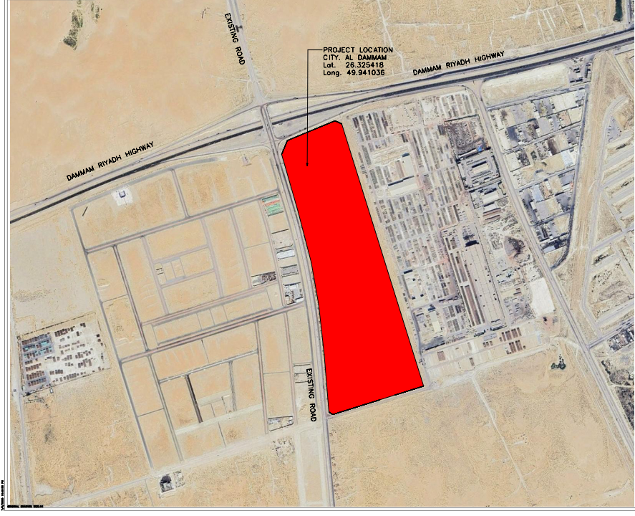
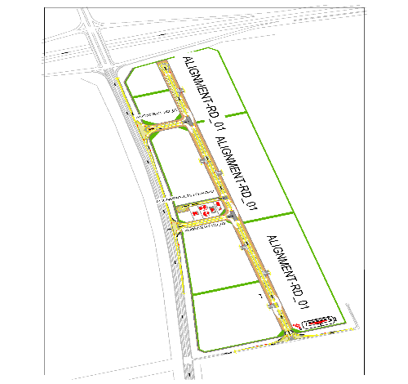
Development of the Technology City in Dammam Project
معلومات المشروع |  |  |  | ملخص التنفيذ |  |  |  |  |  | موقع المشروع
المقاول | شركة أنساب للمقاولات العامة | الاستشاري | EGIS | البند | وحدة القياس | الكمية الكلية | الكمية المنفذة | الكمية المتبقية | نسبة المنفذ
تاريخ استلام الموقع | 23 ديسمبر 2025 | مدة التنفيذ | 14 شهرًا ميلاديًا | أعمال الطرق(الاعمال الترابية) | م.3 | 817,067 | 637,536 | 179,531 | 78.03%
بداية العقد | من تاريخ استلام الموقع | قيمة العقد (شامل ضريبة القيمة المضافة) | 77,933,625.23 ريال | أعمال الطرق | م.ط | 1,800 | 0 | 1,800 | 0%
نسبة الإنجاز المخطط له | 35.23% | نسبة الإنجاز الفعلي | 24.94% | شبكة تصريف مياة السيول | م.ط | 5,560 | 0 | 5560 | 0%
 |  |  |  | شبكة الصرف الصحي | م.ط | 2,073 | 0 | 2,073 | 0%
ملخص جدول الكميات |  |  |  | شبكة المياة | م.ط | 2,439 | 0 | 2439 | 0%
مكونات المشروع |  | التكلفة (غير شامل ضريبة القيمة المضافة) | النسبة الاجمالية | شبكة الري | م.ط | 5,450 | 0 | 5,450 | 0%
أعمال السور وغرفة الحارس |  | 25,176,505 | 37.2% | شبكة الهاتف | م.ط | 5,652 | 0 | 5652 | 0%
أعمال الطرق والأرصفة |  | 13,097,634 | 19.3% | شبكة الانارة | عدد | 75 | 0 | 75 | 0%
أعمال شبكة الصرف الصحي شامل المحطة |  | 737,052 | 1.1% | شبكة معالجة المياة | م.ط | 2,605 | 0 | 2605 | 0% | تقدم أعمال layout
أعمال شبكة تصريف السيول شامل البحيرات |  | 6,229,998 | 9.2%
أعمال شبكة المياة |  | 1,654,610 | 2.4% | ملخص التوريدات
أعمال شبكة الري |  | 780,290 | 1.2% | البند | وحدة القياس | الكمية الكلية (م.ط) | الكمية المورده (م.ط) | الكمية المتبقية (م.ط) | نسبة التوريد
أعمال شبكة مياة المعالجة |  | 1,176,050 | 1.7% | أعمال الطرق | م.ط | 1,800 | 0 | 1,800 | 0%
أعمال الجهد المتوسط |  | 706,467 | 1.0% | شبكة تصريف مياة السيول | م.ط | 5,560 | 4,670 | 890 | 84%
أعمال الإتصالات وأنظمة الكاميرات والمراقبة |  | 4,857,929 | 7.2% | شبكة الصرف الصحي | م.ط | 2,073 | 1,936 | 137 | 93%
أعمال إنارة الطريق والجهد المنخفض |  | 968,363 | 1.4% | شبكة المياة | م.ط | 2,439 | 1,796 | 643 | 74%
أعمال مباني المرافق والخدمات |  | 12,383,471 | 18.3% | شبكة الري | م.ط | 5,450 | 0 | 5,450 | 0%
 |  |  |  | شبكة الهاتف | م.ط | 5,652 | 0 | 5,652 | 0%
معالم البرنامج الزمني |  |  |  | شبكة الانارة-الأعمدة | عدد | 75 | 0 | 75 | 0%
البند |  | التاريخ حسب الجدول الزمني | ملاحظة | شبكة معالجة المياة | م.ط | 2,605 | 1,200 | 1,405 | 46%
انتهاء من تجهيزات الموقع |  | 21-Feb-26 | تم الإنتهاء
انتهاء من تقديم خطة العمل والبرنامج الزمنى |  | 22-Jan-26 | تم الإنتهاء
انتهاء من تقديم واعتماد المخططات والمواد |  | 22-Jan-26 | تم إعتماد جميع المواد وجاري التوريد | التحديات والعوائق
انتهاء من أعمال الطرق والرصف |  | 23-Dec-26 |  | 1-النزاع على ملكية الأرض الخاصة بالمشروع مع أحد المواطنين
انتهاء من أعمال الكهربائية |  | 22-Feb-27 |  | 2-لم يتم صرف الدفعة المقدمة للمقاول 07-01-2025.
انتهاء من أعمال شبكة مياه الشرب |  | 27-Dec-26
انتهاء من أعمال شبكة الري |  | 27-Dec-26
انتهاء من أعمال شبكة مياه الصرف الصحي |  | 24-Oct-26
انتهاء من أعمال شبكة صرف مياه الامطار |  | 24-Oct-26

Risk Register
Risk Log

 |  |  |  |  |  |  |  |  |  |  | 
Risk ID | Parent Project ID | Contract / Project ID | Project Name | City | Region | Fund Source | Phase | PM / Owner | Contractor / Designer | Current Status | Value (SAR) | Category | Risk Title | Description | Evidence / Data | Probability (1-5) | Impact (1-5) | Score | Rating | Response | Mitigation Plan | Date Identified | Status | Target Date | Notes / Updates | Source
DAMT-01-002-Rsk-01 | DAMT-01-002 | DAMT-01-002 | Development of the Technology City in Dammam Project | 2nd Industrial City in Dammam | Eastern |  | Construction | Engr. Afat Elanzey | ANSAB CONTRACING | Active | 67,768,370 | Schedule | Delay in supply of materials | Cause: Delay in the supply of materials. Event: Work stoppage or Delay in activity execution. Consequence: Delay in the project schedule and increased overall project cost. | WPR-34 (29-09-2026) - Risk Register tab, Rsk-01 (register status date 21-6-2026). Schedule context: SPI 0.63 vs revised plan (SV -9.85%) and 0.35 vs original plan (SV -31.82%), data date 22-09-2026. | 3 | 5 | 15 | High | Mitigate | Communicating with suppliers to accelerate the delivery process and obtaining approval from the client for alternative supply sources to reduce the risk of delays. | 2026-04-01 | Open | 2026-06-01 | Threat | Internal | Source category: Procurement / Logistic | Risk owner: Contractor | Manageability: Moderate | Proximity: Imminent | Treatment (Control) owner: Contractor; start 2026-03-01, due 2026-04-01, planned closure 2026-06-01 (target date passed, still Open) | Treatment status: Open | Source score: H15 (Medium x Very High) | WPR-34 (29-09-2026) - Risk Register (Rsk-01)
DAMT-01-002-Rsk-02 | DAMT-01-002 | DAMT-01-002 | Development of the Technology City in Dammam Project | 2nd Industrial City in Dammam | Eastern |  | Construction | Engr. Afat Elanzey | ANSAB CONTRACING | Active | 67,768,370 | Financial | Delays in advance payment and contractor invoice payments | Cause: Delays in the payment of advance payments and contractor invoices. Event: lead to work stoppage or slowdown, causing project schedule delays, reduced contractor performance, strained supplier relationships, and potential contractual claims or disputes. Consequence: Project schedule delays, disruption of construction activities and strained relationships with contractors and suppliers. | WPR-34 (29-09-2026) - Risk Register tab, Rsk-02. Related: Issue log item ISS-02 (advance payment not disbursed, since closed). | 5 | 5 | 25 | High | Mitigate | 1.Expedite internal payment approval processes to ensure timely processing of invoices. 2.Assign a dedicated finance focal point to follow up and track payment cycles. 3.Implement a payment schedule monitoring system with clear deadlines. 4.Coordinate with project stakeholders to prioritize contractor payments in the cash flow plan. 5.Establish escalation procedures for overdue payments to prevent delays | 2025-12-23 | Open | 2026-04-01 | Threat | Internal | Source category: Resources / Finance | Risk owner: Client | Manageability: Hard | Proximity: Overdue | Treatment (Control) owner: Client; start 2026-01-01, due 2026-02-01, planned closure 2026-04-01 (target date passed, still Open) | Treatment status: Open | Source score: H25 (Very High x Very High) | WPR-34 (29-09-2026) - Risk Register (Rsk-02)
DAMT-01-002-Rsk-03 | DAMT-01-002 | DAMT-01-002 | Development of the Technology City in Dammam Project | 2nd Industrial City in Dammam | Eastern |  | Construction | Engr. Afat Elanzey | ANSAB CONTRACING | Active | 67,768,370 | Quality/HSE | Delay or failure of tests for executed works | Cause: Delay or failure of tests for executed works. Event: Delays in carrying out required testing for completed works, or failure of tests to meet specified requirements. Consequence: Project delays, rejection of completed works, rework or repair of defective works, increased costs, and potential contractual disputes or claims. | WPR-34 (29-09-2026) - Risk Register tab, Rsk-03. Related: Issue log item ISS-04 (project laboratory not compliant with MODON specifications). | 1 | 5 | 5 | Medium | Mitigate | 1.Develop and follow a detailed testing and inspection schedule aligned with the project program. 2.Ensure availability of required testing equipment and certified third-party laboratories in advance. 3.Coordinate closely with site teams to ensure readiness of works for inspection and testing. 4.Assign responsible personnel to track and follow up all testing activities. 5.Conduct pre-testing checks to minimize risk of test failure and rework | 2026-04-14 | Open | 2027-02-01 | Threat | Internal | Source category: Construction / Obstacle | Risk owner: Contractor | Manageability: Moderate | Proximity: Distant | Treatment (Mitigate) owner: Contractor; start 2026-10-10, due 2026-11-01, planned closure 2027-02-01 | Treatment status: not stated in WPR | Source score: M5 (Very Low x Very High) - rating Medium per WPR matrix | WPR-34 (29-09-2026) - Risk Register (Rsk-03)
DAMT-01-002-Rsk-04 | DAMT-01-002 | DAMT-01-002 | Development of the Technology City in Dammam Project | 2nd Industrial City in Dammam | Eastern |  | Construction | Engr. Afat Elanzey | ANSAB CONTRACING | Active | 67,768,370 | Interface/Utilities | Existing infrastructure not ready for tie-in to new network | Cause: The existing infrastructure may not be ready to connect with the newly constructed network, which could impact commissioning and project handover activities. Event: Delay in commissioning and project completion, inability to integrate systems, rework or additional modification works, increased costs, and potential delays in project handover. Consequence: Delay in commissioning and project handover, potential rework or redesign of tie-in works, increased project costs, and disruption to system integration and operational readiness. | WPR-34 (29-09-2026) - Risk Register tab, Rsk-04. | 1 | 4 | 4 | Low | Mitigate | 1.Conduct early inspection and verification of the existing network condition. 2.Coordinate with the relevant authority to ensure readiness of tie-in points. 3.Perform detailed interface checks between new and existing systems. 4.Plan and schedule tie-in activities in advance with contingency buffers. 5.Prepare alternative technical solutions in case modifications are required | 2026-04-14 | Open | 2026-11-01 | Threat | Internal | Source category: Construction / Obstacle | Risk owner: Client / Consultant | Manageability: Moderate | Proximity: Distant | Treatment (Mitigate) owner: Client / Consultant; start 2026-10-10, due 2026-11-01, planned closure 2026-11-01 | Treatment status: not stated in WPR | Source score: L4 (Very Low x High) | WPR-34 (29-09-2026) - Risk Register (Rsk-04)
DAMT-01-002-Rsk-05 | DAMT-01-002 | DAMT-01-002 | Development of the Technology City in Dammam Project | 2nd Industrial City in Dammam | Eastern |  | Construction | Engr. Afat Elanzey | ANSAB CONTRACING | Active | 67,768,370 | Site/Technical | Groundwater at excavation site - continuous dewatering required | Cause: Groundwater is present at the construction/excavation site, which may require continuous dewatering operations to maintain a dry and stable working environment. This condition can affect excavation activities, foundation works, and overall construction progress if not properly managed. Event: Delay in excavation and construction activities, increased project costs due to dewatering operations, reduced productivity, potential instability of excavation works, and possible safety hazards on site. Consequence: Delay in excavation and foundation works, increased construction costs due to continuous dewatering operations, reduced productivity, potential instability of excavation works, and possible safety risks on site. | WPR-34 (29-09-2026) - Risk Register tab, Rsk-05. | 4 | 4 | 16 | High | Mitigate | 1.Conduct a detailed geotechnical and groundwater investigation prior to excavation. 2.Design and implement an appropriate dewatering system (e.g., pumps, wells, or drainage). 3.Monitor groundwater levels continuously during construction activities. 4.Develop a contingency plan for unexpected high water inflow. 5.Coordinate with the construction team to adjust sequencing of works based on site conditions | 2026-04-14 | Open | 2026-04-01 | Threat | Internal | Source category: Construction / Obstacle | Risk owner: Contractor | Manageability: Moderate | Proximity: Imminent | Treatment (Mitigate) owner: Contractor; start 2026-01-01, due 2026-02-01, planned closure 2026-04-01 (target date passed, still Open; note: source planned closure precedes the identified date 2026-04-14) | Treatment status: not stated in WPR | Source score: H16 (High x High) | WPR-34 (29-09-2026) - Risk Register (Rsk-05)
DAMT-01-002-Rsk-06 | DAMT-01-002 | DAMT-01-002 | Development of the Technology City in Dammam Project | 2nd Industrial City in Dammam | Eastern |  | Construction | Engr. Afat Elanzey | ANSAB CONTRACING | Active | 67,768,370 | Cost | [Opportunity] Potential BOQ savings after quantity re-measurement | Cause: There are potential savings in the project Bill of Quantities (BOQ) following the accurate re-measurement and verification of project quantities. Event: Reduction in overall project cost, improved cost control, optimized resource allocation, and increased financial efficiency of the project. Consequence: Reduction in overall project cost, improved budget control, and increased financial efficiency, with potential opportunity to reallocate savings to additional works that enhance project value and benefits. | WPR-34 (29-09-2026) - Risk Register tab, Rsk-06 (type: Opportunity). | 4 | 1 | 4 | Low | Enhance / Exploit | 1.Conduct detailed and accurate quantity surveying for all project items. 2.Verify and reconcile BOQ quantities against approved design drawings and site conditions. 3.Identify and document any discrepancies or overestimated quantities. 4.Coordinate with the consultant/engineer for approval of revised quantities. 5.Implement strict cost control and value engineering practices to maximize savings. 6.Initiating the optimal utilization of the savings to add new works that enhance the project benefits | 2026-04-14 | Realize | 2026-04-01 | OPPORTUNITY (not a threat) | Internal | Source category: Scope / Requirements / Contractual | Owner: Contractor / Client / Consultant | Manageability: Ease | Proximity: Imminent | Treatment (Control) owner: Contractor / Client / Consultant; start 2026-01-01, due 2026-02-01, planned closure 2026-04-01 (target date passed) | Treatment status: Open | Source status: Realize | Source score: L4 (High x Very Low) | Rating reflects opportunity size, not exposure | WPR-34 (29-09-2026) - Risk Register (Rsk-06)
DAMT-01-002-Rsk-07 | DAMT-01-002 | DAMT-01-002 | Development of the Technology City in Dammam Project | 2nd Industrial City in Dammam | Eastern |  | Construction | Engr. Afat Elanzey | ANSAB CONTRACING | Active | 67,768,370 | Schedule | Delay in starting infrastructure networks works | Cause: Late mobilization of the contractor for the infrastructure networks (storm, sewage, potable water, irrigation, TSE, MV, SL&LV, telecom and roads) and focus of resources on the fence and guard room works. Event: Networks construction starting later than planned and progressing slowly after start. Consequence: Delay in the networks completion milestones, testing & commissioning and handover, compressed remaining durations, and extension of the project completion date. | Schedule update MOD3-3147-BL0-R0-6 (data date 20-10-2026): Storm drainage network started 02-08-2026 against planned 13-07-2026 and is only 3-4% complete; Sewage network not started (forecast start 08-11-2026); Potable water, irrigation, TSE, MV, SL&LV, telecom and roads networks forecast to start Jan-Mar 2027. Networks construction activities show total float of about -75 to -84 days; forecast project finish 13-06-2027 vs planned 23-02-2027. | 4 | 5 | 20 | High | Mitigate | 1.Contractor to submit a recovery plan for the networks with resource-loaded schedule. 2.Mobilize additional crews and equipment for the networks in parallel with the fence works. 3.Open multiple work fronts per network (zones/streets) to work concurrently. 4.Weekly follow-up of networks progress against the recovery plan in the progress meetings. 5.Issue formal notices to the contractor in case of continued slow progress. | 2026-10-20 | Open | 2026-11-08 | Threat | Internal | Source category: Construction / Resources | Risk owner: Contractor (responsibility: Contractor) | Manageability: Moderate | Proximity: Imminent | Treatment (Mitigate) owner: Contractor | Treatment status: In progress (قيد التنفيذ) | Target date = forecast start of sewage network per update 20-10-2026 | Schedule update MOD3-3147-BL0-R0-6 (20-10-2026)
DAMT-01-002-Rsk-08 | DAMT-01-002 | DAMT-01-002 | Development of the Technology City in Dammam Project | 2nd Industrial City in Dammam | Eastern |  | Construction | Engr. Afat Elanzey | ANSAB CONTRACING | Active | 67,768,370 | Schedule | Delay in submission and approval of the MV consultant and MV contractor | Cause: Delay by the contractor in submitting the specialized consultant and the Medium Voltage (MV) subcontractor, and in obtaining their approval. Event: MV works (procurement of cables and joints, and execution of the MV network) cannot proceed until the consultant and MV contractor are approved. Consequence: Delay in MV procurement and execution, delay in energizing and commissioning the networks (street lighting, pump/lift stations), and delay in project completion and handover. | Schedule update MOD3-3147-BL0-R0-6 (data date 20-10-2026): MV material and shop drawings approvals are complete, but Purchase Orders for MV cables (PRO-MV-PO-100) and termination & joints kits (PRO-MV-PO-120) are not started (forecast 20-10-2026 to 02-11-2026) with total float -64 and -72 days; MV network construction forecast to start 06-02-2027 and complete 27-04-2027; T&C of MV network forecast 08-05-2027 to 29-05-2027. | 4 | 4 | 16 | High | Mitigate | 1.Contractor to submit the MV consultant and MV subcontractor prequalification documents immediately. 2.Consultant/Client to expedite review and approval of the submitted MV consultant and subcontractor. 3.Follow up with the electricity authority requirements to avoid resubmission. 4.Issue the MV purchase orders directly after approval and track manufacturing and delivery. 5.Track the submission and approval status weekly in the progress meetings. | 2026-10-20 | Open | 2026-11-02 | Threat | Internal | Source category: Contractual / Subcontracting | Risk owner: Contractor (responsibility: Contractor) | Manageability: Moderate | Proximity: Imminent | Treatment (Mitigate) owner: Contractor | Treatment status: In progress (قيد التنفيذ) | Target date = forecast finish of MV purchase orders per update 20-10-2026 | Schedule update MOD3-3147-BL0-R0-6 (20-10-2026)

Manpower
Head-Count ( Non Manual)
Weaks | 23-Dec-25 | 30-Dec-25 | 6-Jan-26 | 13-Jan-26 | 20-Jan-26 | 27-Jan-26 | 3-Feb-26 | 10-Feb-26 | 17-Feb-26 | 24-Feb-26 | 3-Mar-26 | 10-Mar-26 | 17-Mar-26 | 24-Mar-26 | 31-Mar-26 | 7-Apr-26 | 14-Apr-26 | 21-Apr-26 | 28-Apr-26 | 5-May-26 | 12-May-26 | 19-May-26 | 26-May-26 | 2-Jun-26 | 9-Jun-26 | 16-Jun-26 | 23-Jun-26 | 30-Jun-26 | 7-Jul-26 | 14-Jul-26 | 21-Jul-26 | 28-Jul-26 | 4-Aug-26 | 11-Aug-26 | 18-Aug-26 | 25-Aug-26 | 1-Sep-26 | 8-Sep-26 | 15-Sep-26 | 22-Sep-26 | 29-Sep-26 | 6-Oct-26 | 13-Oct-26 | 20-Oct-26 | 27-Oct-26 | 3-Nov-26 | 10-Nov-26 | 17-Nov-26 | 24-Nov-26 | 1-Dec-26 | 8-Dec-26 | 15-Dec-26 | 22-Dec-26 | 29-Dec-26 | 5-Jan-27 | 12-Jan-27 | 19-Jan-27 | 26-Jan-27 | 2-Feb-27 | 9-Feb-27 | 16-Feb-27 | 23-Feb-27
Plan - Weakly | 9 | 9 | 9 | 9 | 9 | 9 | 9 | 9 | 9 | 9 | 9 | 9 | 9 | 9 | 9 | 9 | 9 | 9 | 9 | 9 | 9 | 9 | 9 | 9 | 9 | 9 | 9 | 9 | 9 | 9 | 9 | 9 | 9 | 9 | 9 | 9 | 9 | 9 | 9 | 9 | 9 | 9 | 9 | 9 | 9 | 9 | 9 | 9 | 9 | 9 | 9 | 9 | 9 | 9 | 9 | 9 | 9 | 9 | 9 | 9 | 9 | 9
Planned - Cumulative | 9 | 18 | 27 | 36 | 45 | 54 | 63 | 72 | 81 | 90 | 99 | 108 | 117 | 126 | 135 | 144 | 153 | 162 | 171 | 180 | 189 | 198 | 207 | 216 | 225 | 234 | 243 | 252 | 261 | 270 | 279 | 288 | 297 | 306 | 315 | 324 | 333 | 342 | 351 | 360 | 369 | 378 | 387 | 396 | 405 | 414 | 423 | 432 | 441 | 450 | 459 | 468 | 477 | 486 | 495 | 504 | 513 | 522 | 531 | 540 | 549 | 558
Actual - Weakly | 7 | 7 | 7 | 7 | 7 | 7 | 19 | 19 | 19 | 19 | 19 | 19 | 19 | 19 | 19 | 19 | 19 | 19 | 19 | 19 | 19 | 19 | 19 | 19 | 19 | 19 | 19 | 19 | 19 | 19 | 19 | 19 | 19 | 19 | 19 | 19 | 19 | 19 | 19 | 19 | 19 | 19 | 20 | 21
Actual Cumulative | 7 | 14 | 21 | 28 | 35 | 42 | 61 | 80 | 99 | 118 | 137 | 156 | 175 | 194 | 213 | 232 | 251 | 270 | 289 | 308 | 327 | 346 | 365 | 384 | 403 | 422 | 441 | 460 | 479 | 498 | 517 | 536 | 555 | 574 | 593 | 612 | 631 | 650 | 669 | 688 | 707 | 726 | 746 | 767
MANUAL MANPOWER HISTOGRAM
 | Plan - Weakly | Actual - Weakly
23-Dec-25 | 23 | 23
30-Dec-25 | 45 | 68
6-Jan-26 | 52 | 119
13-Jan-26 | 63 | 183
20-Jan-26 | 59 | 242
27-Jan-26 |  | 242
3-Feb-26 |  | 242
10-Feb-26 |  | 242
17-Feb-26 |  | 242
24-Feb-26 |  | 242
3-Mar-26 | 3 | 245
10-Mar-26 | 5 | 250
17-Mar-26 | 3 | 252
24-Mar-26 | 7 | 259
31-Mar-26 | 13 | 272
7-Apr-26 | 19 | 291
14-Apr-26 | 19 | 310
21-Apr-26 | 19 | 329
28-Apr-26 | 28 | 358
5-May-26 | 28 | 386
12-May-26 | 28 | 414
19-May-26 | 28 | 442
Forecast - Weakly
Saudi Weakly - Actual
Head-Count (Manual)
Weaks | 23-Dec-25 | 30-Dec-25 | 6-Jan-26 | 13-Jan-26 | 20-Jan-26 | 27-Jan-26 | 3-Feb-26 | 10-Feb-26 | 17-Feb-26 | 24-Feb-26 | 3-Mar-26 | 10-Mar-26 | 17-Mar-26 | 24-Mar-26 | 31-Mar-26 | 7-Apr-26 | 14-Apr-26 | 21-Apr-26 | 28-Apr-26 | 5-May-26 | 12-May-26 | 19-May-26 | 26-May-26 | 2-Jun-26 | 9-Jun-26 | 16-Jun-26 | 23-Jun-26 | 30-Jun-26 | 7-Jul-26 | 14-Jul-26 | 21-Jul-26 | 28-Jul-26 | 4-Aug-26 | 11-Aug-26 | 18-Aug-26 | 25-Aug-26 | 1-Sep-26 | 8-Sep-26 | 15-Sep-26 | 22-Sep-26 | 29-Sep-26 | 6-Oct-26 | 13-Oct-26 | 20-Oct-26 | 27-Oct-26 | 3-Nov-26 | 10-Nov-26 | 17-Nov-26 | 24-Nov-26 | 1-Dec-26 | 8-Dec-26 | 15-Dec-26 | 22-Dec-26 | 29-Dec-26 | 5-Jan-27 | 12-Jan-27 | 19-Jan-27 | 26-Jan-27 | 2-Feb-27 | 9-Feb-27 | 16-Feb-27 | 23-Feb-27
Plan - Weakly | 23 | 45 | 52 | 63 | 59 |  |  |  |  |  | 3 | 5 | 3 | 7 | 13 | 19 | 19 | 19 | 28 | 28 | 28 | 28 | 9 | 28 | 28 |  |  | 80 | 159 | 132 | 98 | 79 | 130 | 178 | 260 | 304 | 354 | 513 | 443 | 363 | 433 | 406 | 557 | 682 | 617 | 720 | 664 | 542 | 544 | 510 | 502 | 506 | 496 | 494 | 452 | 511 | 324 | 197 | 81 | 66 | 59 | 1.35
Planned - Cumulative | 23 | 68 | 119 | 183 | 242 | 242 | 242 | 242 | 242 | 242 | 245 | 250 | 252 | 259 | 272 | 291 | 310 | 329 | 358 | 386 | 414 | 442 | 452 | 480 | 508 | 508 | 508 | 588 | 748 | 880 | 977 | 1056 | 1186 | 1364 | 1624 | 1928 | 2281 | 2794 | 3237 | 3600 | 4033 | 4439 | 4996 | 5678 | 6295 | 7015 | 7679 | 8221 | 8765 | 9275 | 9777 | 10283 | 10780 | 11274 | 11726 | 12238 | 12561 | 12758 | 12838 | 12905 | 12964 | 12965
Actual - Weakly | 23 | 68 | 119 | 183 | 242 | 242 | 242 | 242 | 242 | 242 | 245 | 250 | 252 | 259 | 272 | 291 | 310 | 329 | 358 | 386 | 414 | 442 | 452 | 480 | 508 | 508 | 508 | 588 | 748 | 880 | 977 | 1056 | 1186 | 1386 | 1386 | 1386 | 1386 | 1386 | 1386 | 1386 | 1386 | 1428 | 1428 | 1428
Actual Cumulative | 10 | 77.94 | 197.42 | 380.21 | 622.2 | 864.19 | 1106.18 | 1348.17 | 1590.16 | 1832.15 | 2076.7 | 2326.38 | 2578.62 | 2837.7 | 3110.19 | 3401.66 | 3712.11 | 4041.54 | 4399.23 | 4785.18 | 5199.39 | 5641.86 | 6093.75 | 6573.9 | 7082.31 | 7590.72 | 8099.13 | 8687.27 | 9434.87 | 10314.46 | 11291.68 | 12347.63 | 13533.81 | 14919.81 | 16305.81 | 17691.81 | 19077.81 | 20463.81 | 21849.81 | 23235.81 | 24621.81 | 26049.81 | 27477.81 | 28905.81
Forecast - Weakly
Saudi Weakly - Actual

Head-Count (Non-Manual) |  |  |  |  |  |  |  |  |  |  |  |  |  |  |  |  |  |  |  |  |  |  |  |  |  |  |  |  |  |  |  | Month |  | Jul-25 |  |  |  | Aug-25
Planned | Actual |  | Variance |  | Forecast Next Month |  | Saudi Staff
9 | 19 |  | 10

Head-Count (Manual) |  |  |  |  |  |  |  |  |  |  | Man Power by Trade
Planned | Actual |  | Variance |  | Forecast Next Month |  | Saudi Staff |  |  |  | Key Trade |  | Labor/Helper | Skilled Labor/Surveyor | Foreman | Eq. Operator | Cons. Carpenter | Steel Fixer | Block Mason | other | Plasterer | Painter | Plumber | Pipe Fitter | Electrician | Low Current Technician | Total
114 | 238 |  | 124 |  |  |  |  |  |  |  | Plan |  | 45 | 16 | 8 | 3 | 8 | 6 | 2 | 26 |  |  |  |  |  |  | 114
 |  |  |  |  |  |  |  |  |  |  | Actual |  | 67 | 26 | 8 | 20 | 6 | 55 | 14 | 21 |  |  | 21 |  |  |  | 238

Equipment
Weaks | 30-Dec-25 | 6-Jan-26 | 13-Jan-26 | 20-Jan-26 | 27-Jan-26 | 3-Feb-26 | 10-Feb-26 | 17-Feb-26 | 24-Feb-26 | 3-Mar-26 | 10-Mar-26 | 17-Mar-26 | 24-Mar-26 | 31-Mar-26 | 7-Apr-26 | 14-Apr-26 | 21-Apr-26 | 28-Apr-26 | 5-May-26 | 12-May-26 | 19-May-26 | 26-May-26 | 2-Jun-26 | 9-Jun-26 | 16-Jun-26 | 23-Jun-26 | 30-Jun-26 | 7-Jul-26 | 14-Jul-26 | 21-Jul-26 | 28-Jul-26 | 4-Aug-26 | 11-Aug-26 | 18-Aug-26 | 25-Aug-26 | 1-Sep-26 | 8-Sep-26 | 15-Sep-26 | 22-Sep-26 | 29-Sep-26 | 6-Oct-26 | 13-Oct-26 | 20-Oct-26 | 27-Oct-26 | 3-Nov-26 | 10-Nov-26 | 17-Nov-26 | 24-Nov-26 | 1-Dec-26 | 8-Dec-26 | 15-Dec-26 | 22-Dec-26 | 29-Dec-26 | 5-Jan-27 | 12-Jan-27 | 19-Jan-27 | 26-Jan-27 | 2-Feb-27 | 9-Feb-27 | 16-Feb-27 | 17-Feb-27
Plan - Weakly | 40 | 43 | 47 | 41 |  |  |  |  |  | 3 | 5 | 3 | 7 | 13 | 19 | 19 | 19 | 28 | 28 | 28 | 28 | 9 | 28 | 28 |  | 335 | 455 | 400 | 360 | 330 | 303 | 349 | 390 | 469 | 507 | 554 | 712 | 637 | 548 | 610 | 563 | 625 | 801 | 717 | 703 | 636 | 607 | 602 | 561 | 539 | 534 | 508 | 499 | 602 | 735 | 737 | 727 | 490 | 154 | 154 | 1
Planned - Cumulative | 40 | 83 | 130 | 171 | 171 | 171 | 171 | 171 | 171 | 174 | 179 | 182 | 189 | 202 | 221 | 240 | 259 | 287 | 315 | 343 | 371 | 380 | 408 | 436 | 436 | 771 | 1226 | 1626 | 1986 | 2316 | 2619 | 2968 | 3358 | 3827 | 4334 | 4888 | 5600 | 6237 | 6785 | 7395 | 7958 | 8583 | 9384 | 10101 | 10804 | 11440 | 12047 | 12649 | 13210 | 13749 | 14283 | 14791 | 15290 | 15892 | 16627 | 17364 | 18091 | 18581 | 18735 | 18889 | 18890
Actual - Weakly | 40 | 43 | 47 | 41 | 0 | 0 | 0 | 0 | 0 | 3 | 5 | 3 | 7 | 13 | 19 | 19 | 19 | 28 | 28 | 28 | 28 | 9 | 28 | 28 | 0 | 335 | 455 | 400 | 360 | 330 | 303 | 349 | 792 | 792 | 792 | 792 | 792 | 792 | 792 | 792 | 792 | 792
Actual Cumulative | 40 | 83.22 | 130.02 | 171.34 | 171.34 | 171.34 | 171.34 | 171.34 | 171.34 | 174.34 | 179.34 | 182.34 | 189.34 | 202.34 | 221.34 | 240.34 | 259.34 | 287.34 | 315.34 | 343.34 | 371.34 | 380.34 | 408.34 | 436.34 | 436.34 | 771.34 | 1226.34 | 1626.34 | 1986.34 | 2316.34 | 2619.34 | 2968.34 | 3760.34 | 4552.34 | 5344.34 | 6136.34 | 6928.34 | 7720.34 | 8512.34 | 9304.34 | 10096.34 | 10888.34 |  |  |  |  |  |  |  |  |  |  |  |  |  |  |  |  |  |  |  |  | 0
Forecast - Weakly
EQUIPMENT HISTOGRAM
 | Plan - Weakly | Actual - Weakly
30-Dec-25 | 40 | 40
6-Jan-26 | 43 | 43
13-Jan-26 | 47 | 47
20-Jan-26 | 41 | 41
27-Jan-26 |  | 0
3-Feb-26 |  | 0
10-Feb-26 |  | 0
17-Feb-26 |  | 0
24-Feb-26 |  | 0
3-Mar-26 | 3 | 3
10-Mar-26 | 5 | 5
17-Mar-26 | 3 | 3
24-Mar-26 | 7 | 7
31-Mar-26 | 13 | 13
7-Apr-26 | 19 | 19
14-Apr-26 | 19 | 19
21-Apr-26 | 19 | 19
28-Apr-26 | 28 | 28
5-May-26 | 28 | 28
12-May-26 | 28 | 28
19-May-26 | 28 | 28
26-May-26 | 9 | 9
2-Jun-26 | 28 | 28

Equipment Count |  |  |  |  |  |  |  |  |  |  |  |  |  |  |  |  |  |  |  |  |  |  |  |  |  |  |  |  |  |  |  |  |  |  |  |  |  |  |  |  |  |  |  |  |  |  |  |  |  |  |  |  |  |  |  |  |  |  |  |  |  |  |  | Activity ID | Activity Name | Resource ID Name | Resource Type | Unit of Measure | Budgeted Units | Actual Units | Remaining Units | Spreadsheet Field | 3-Mar-26 | 10-Mar-26 | 17-Mar-26 | 24-Mar-26 | 31-Mar-26 | 7-Apr-26 | 14-Apr-26 | 21-Apr-26 | 28-Apr-26 | 5-May-26 | 12-May-26 | 19-May-26 | 26-May-26 | 2-Jun-26 | 9-Jun-26 | 16-Jun-26 | 23-Jun-26 | 30-Jun-26 | 7-Jul-26 | 14-Jul-26 | 21-Jul-26 | 28-Jul-26 | 4-Aug-26 | 11-Aug-26 | 18-Aug-26 | 25-Aug-26 | 1-Sep-26 | 8-Sep-26 | 15-Sep-26 | 22-Sep-26 | 29-Sep-26 | 6-Oct-26 | 13-Oct-26 | 20-Oct-26 | 27-Oct-26 | 3-Nov-26 | 10-Nov-26 | 17-Nov-26 | 24-Nov-26 | 1-Dec-26 | 8-Dec-26 | 15-Dec-26 | 22-Dec-26 | 29-Dec-26 | 5-Jan-27 | 12-Jan-27 | 19-Jan-27 | 26-Jan-27 | 2-Feb-27 | 9-Feb-27 | 16-Feb-27 | 23-Feb-27
Planned | Actual |  | Idle |  | Variance |  | Forecast Next Month |  |  |  |  |  |  |  |  |  |  |  |  |  |  |  |  |  |  |  |  |  |  |  |  |  |  |  |  |  |  |  |  |  |  |  |  |  |  |  |  |  |  |  |  |  |  |  |  |  |  |  |  |  |  |  |  | Development of the Technology City in Dammam Project |  |  |  |  | 18990 | 266 | 18723 | Budgeted Units | 3 | 5 | 3 | 7 | 13 | 19 | 19 | 19 | 28 | 28 | 28 | 28 | 9 | 28 | 28 |  | 335 | 455 | 400 | 360 | 330 | 303 | 349 | 390 | 469 | 507 | 554 | 712 | 637 | 548 | 610 | 563 | 693 | 801 | 717 | 803 | 736 | 607 | 602 | 561 | 539 | 534 | 508 | 499 | 602 | 735 | 737 | 727 | 495 | 154 | 154 | 1
104 | 132 |  | 0 |  | 28 |  |  |  |  |  |  |  |  |  |  |  |  |  |  |  |  |  |  | 65 |  |  |  |  |  |  |  |  |  |  |  |  |  |  |  |  |  |  |  |  |  |  |  |  |  |  |  |  |  |  |  |  |  |  |  |  |  |  |  | Development of the Technology City in Dammam Project |  |  |  |  | 18990 | 266 | 18723 | Cum Budgeted Units | 3 | 8 | 10 | 17 | 30 | 49 | 68 | 87 | 116 | 144 | 172 | 200 | 210 | 238 | 266 | 266 | 601 | 1056 | 1456 | 1815 | 2145 | 2448 | 2797 | 3187 | 3656 | 4163 | 4716 | 5428 | 6065 | 6614 | 7223 | 7786 | 8479 | 9280 | 9997 | 10800 | 11536 | 12144 | 12745 | 13306 | 13845 | 14379 | 14886 | 15385 | 15987 | 16722 | 17459 | 18186 | 18680 | 18835 | 18988 | 18990

Type | Roller Compactor |  | JCB |  | grader |  | Dump Truck |  | water tank |  | excavator | Crane | Boom Truck |  | loader |  | water tank |  | Crane |  | Boom Truck | Wlding Machine | Generator | steel compactor | trailer | Other | Loader | Total |  |  |  |  | Pumps
Plan | 9 |  | 3 |  |  |  | 85 |  |  |  | 7 |  |  |  |  |  |  |  |  |  |  |  |  |  |  |  |  | 104
Actual | 9 |  |  |  | 5 |  | 85 |  | 6 |  | 12 | 1 | 14 |  |  |  |  |  |  |  |  |  |  |  |  |  |  | 132
Idle |  |  |  |  |  |  |  |  |  |  |  |  |  |  |  |  |  |  |  |  |  |  |  |  |  |  |  | 0

Photos - Progress Summary
S/N | Major Activities This Week | Ubcoming Major Activities NextThree Week
1 | اعمال صب الخرسانة المسلحة للسور قواعد واعمده وطبانات | استكمال اعمال صب الخرسانة المسلحة للسور
2 | استمرار اعمال القطع والردم بالمشروع | استكمال الاعمال الانشائيه والميكانيكيه والكهربائية لمباني الخدمات
3 | اعمال صب سقف مبني المضخات | استمرار اعمال القطع والردم بالمشروع
4 | اعمال الطرق (Capping) | استكمال حفر وتنزيل ودفان خطوط التصريف
5 | اعمال مباني السور | اعمال الطرق (Capping)
6 | اعمال حفر وتمديد شبكات صرف المطر | استكمال اعمال مباني السور والبدء في اعمال الحجر
7 | حفر مناهيل صرف المطر | اعمال فك نجارة سقف مبني المضخات
8 |  | اعمال تنزيل ودفان مناهيل خطوط التصريف
9
10
11
12
13
14
15
16
17
18
19
20
21
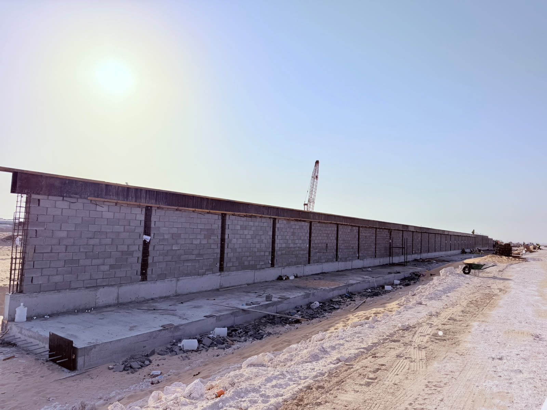
 | 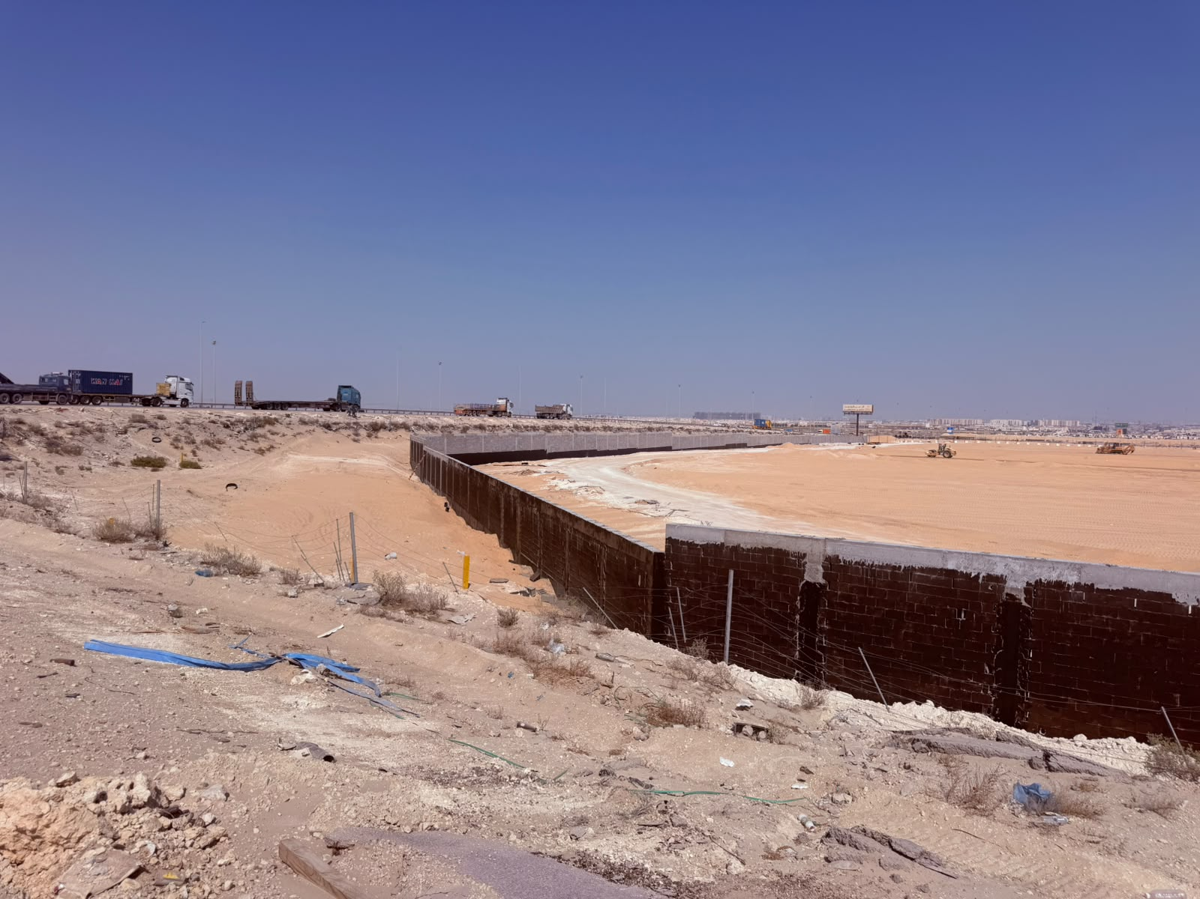

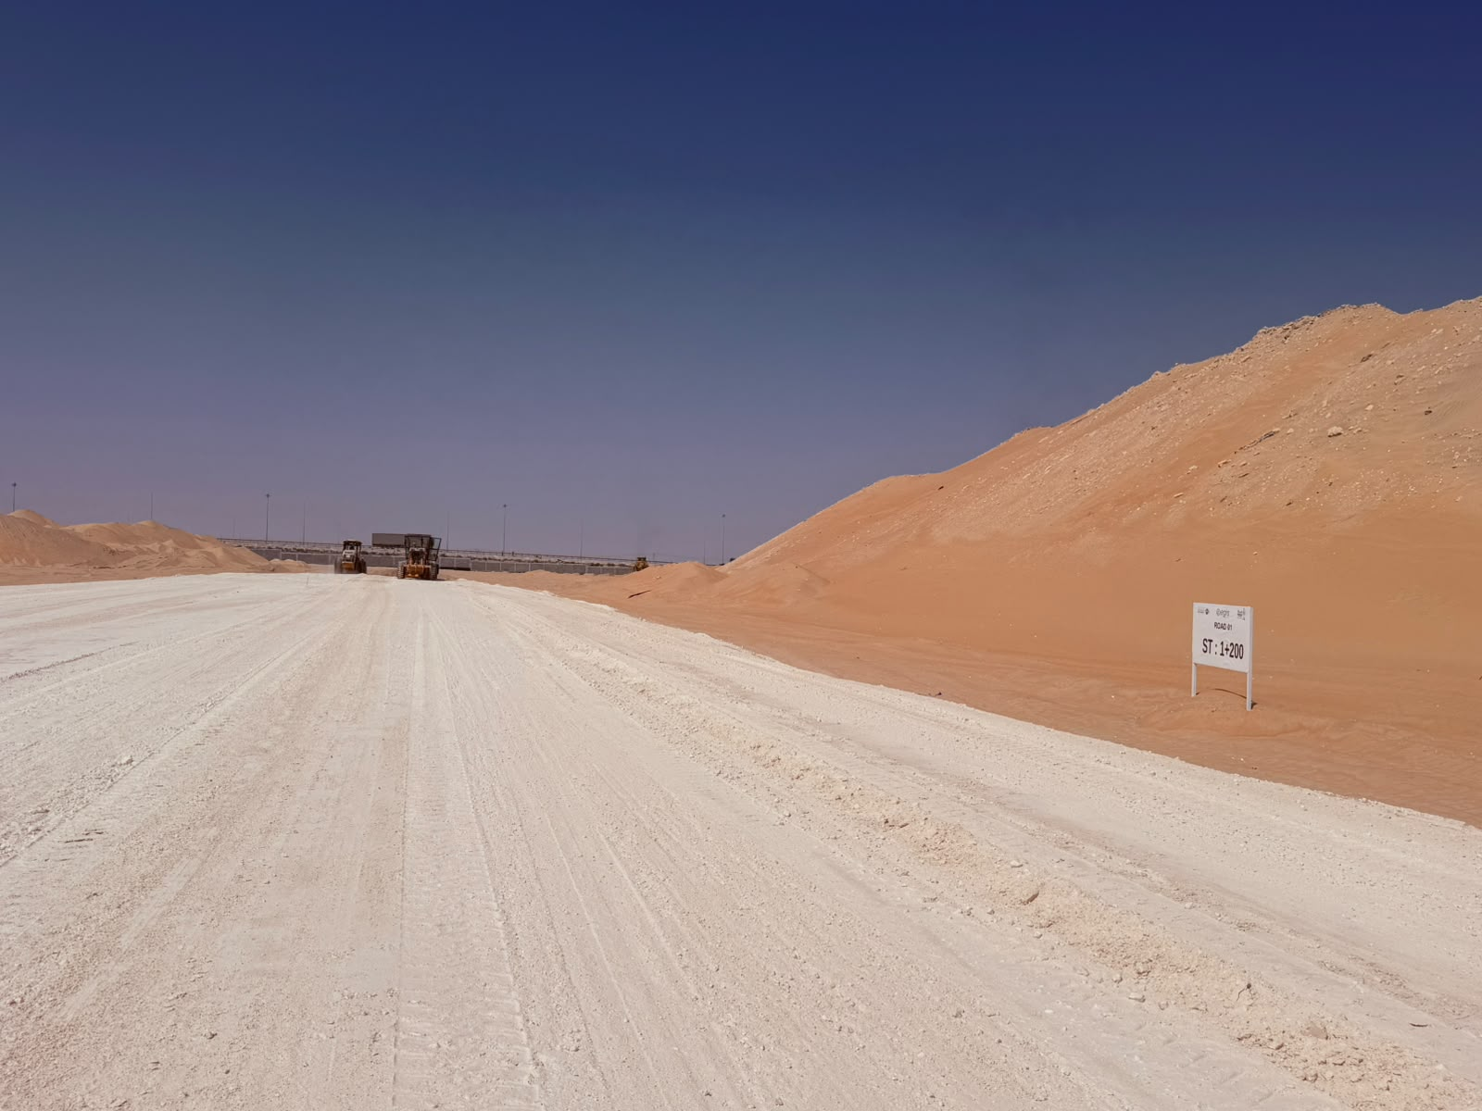
 | اعمال السور | اعمال طابانات السور
 | 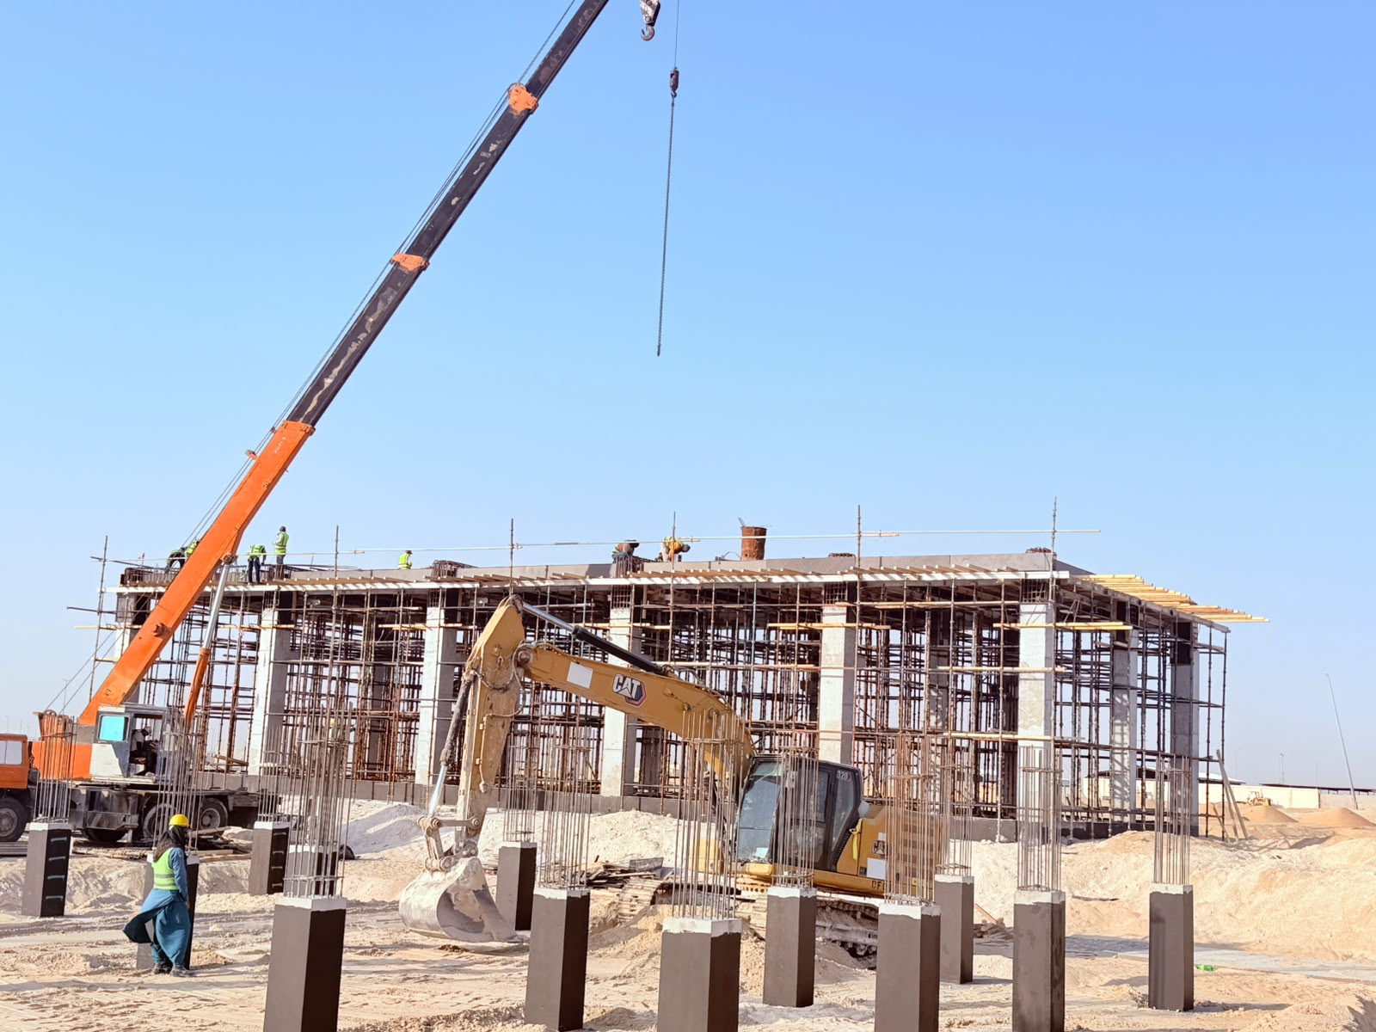

 | أعمال صب السقف لمبني المضخات | اعمال الطرق (Capping)

